Instructions
 | Version 19
Instructions for filling Call Stipend Form

=> | Ensure you are working with the current year's template

=> | Select the Block number from the drop down list

=> | Fill in your name, your KHSC ID#, the service covered in this block and the Hospital that you are working at for this block

=> | For each day in the block, use the drop down to choose the type of call performed. If there is no activity to report
 | for a day, leave it as 'none'
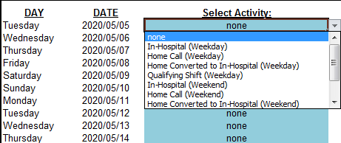

=> | Save the spreadsheet with file name in following format - Employee ID# (6 digits), Block # and Year, without any space
 | or comma. This is generated on Cell G16 of 'Input' tab for reference.
 | E.g. For an imaginary employee ID 123456 in Block 8, the file name would be 123456B82025.xlsx

=> | Submit the filled spreadsheet to chief resident within the timeline shown in "Schedule" tab

